Sheet1
Note: According to the flowchart, turn on all sound effects and conduct the maximum resource consumption statistics. The table is as follows
Number of channels | Mono
Sound effect list | Sound effect name | Memory(Bytes) | MCPS(M) |  | Parameter
 |  |  | 12KHz | 16KHz | Parameter
Expander | Expander | 40 | 1 | 2
EQ(SW) | EQ_1 | 1404 | 9 | 12 | 10 filters, fixed-point operation
GainControl | Gain_1 | 6 | 0 | 0
DRC | DRC_1 | 268 | 2 | 3 | Full Band
NOISE_Suppressor_Blue | Noise Suppressor Blue | 2072 | 9 | 11 | Level = 5
ECHO | ECHO | 12684 | 2 | 3 | Max Delay = 1000ms
DRC | DRC_2 | 268 | 2 | 3 | Full Band
EQ(SW) | EQ_2 | 1404 | 5 | 6 | 5 filters
Pitch Shifter | Pitch_Shifter | 21932 | 9 | 13 | > 0 semitone
DRC | DRC_3 | 268 | 2 | 3 | Full Band
EQ(SW) | EQ_3 | 1404 | 9 | 12 | 10 filters, fixed-point operation
EQ(SW) | EQ_4 | 1404 | 9 | 12 | 10 filters, fixed-point operation
GainControl | Gain_2 | 6 | 0 | 0
ADC FIFO |  | 4096 | 0 | 0
DAC FIFO |  | 4096 | 0 | 0
Others |  | 8296 | 1 | 1
Sum |  | 59648 | 60 | 81

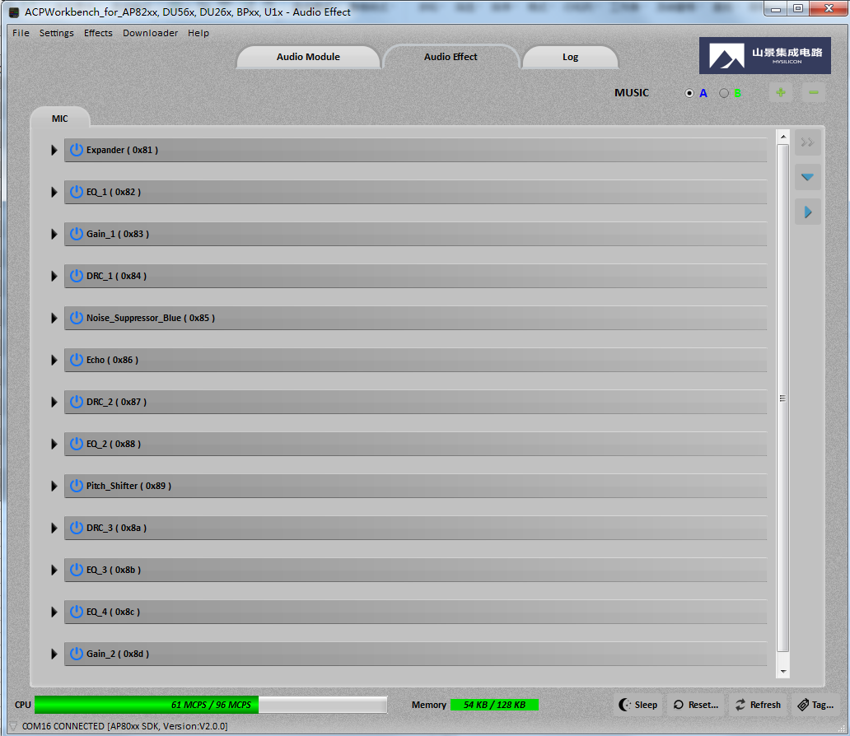
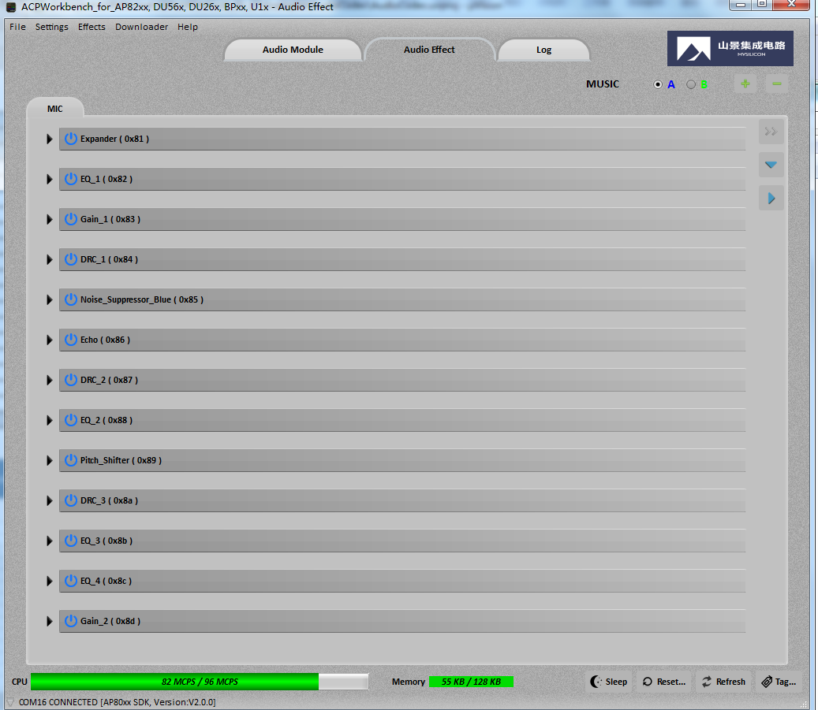

16KHz
12KHz

